1. Title Page
Grocery Basket Analysis

Project Name: Instacart Grocery Basket Analysis
Date: 31/10/2022
Analyst Name: Aysha Hassan

Contents:
Population Flow
Consistency checks
Wrangling steps
Column derivations
Visualizations
Recommendations

Citation: “The Instacart Online Grocery Shopping Dataset 2017”, Accessed from https://www.instacart.com/datasets/grocery-shopping-2017 on 31/10/2022.
Note: Instacart is a real company that’s made their data available online. The contents of this project and data sets have been fabricated for learning purposes.

2. Population Flow
Title page

Population flow

Exclusion flag
Condition: max_order <
Obervations to be removed:
Final total count of order_products_all:

Orders_products_combined
Orders_products_merged
4_10_full_dataset_final

Total: 32,404,859
Total: 32,434,489
Total: 30,964,564

1.) The grey boxes in the first row of the population flow represent the original data sets as they were when you downloaded them. In the Total fields you need to add the count of the rows when you imported the data set into Jupyter.
2.) The second row of boxes (coloured) represents the data sets after you manipulated them, e.g., removed missing values and duplicates. In the Total fields you need to add the count of the rows after conducting these operations. This offers a visual oveview of how the data flows throughout the data consistency checks.
3.) The third row, where also the arrows are coloured, represents the merges you performed between the datasets. In the Total fields you need to add the count of the rows in the merged datasets, so that you end up with the final dataset (in the red box). Keep in mind the final dataset should be without exclusions (based on the exclusion flag).

3. Consistency checks
 |  |  |  |  | Title page
Consistency checks

Dataset | Column name | Missing values | Missing values treatment | Duplicates
orders | days_since_last_order | 206.209 | Created a new variable that acts like a flag based on the missing value. I did this by creating a new column under the heading 'first_time_customers' and defining the output as true and false depending on the column of 'days_since_prior_order'. dfords_nan = dfords[dfords['days_since_prior_order'].isnull() == True] | No duplicates found
products | product_name | 16 | Created a new dataframe that doesn't include the duplicates we used to identify with the drop_duplicates () function | 5 duplicate records were removed
orders_products_prior | - | No missing values | N/A | No duplicates found
customers | first_name | 11.259 | N/A | No duplicates found

4. Wrangling steps
 |  |  |  |  |  | Title page
Wrangling steps

Data set | Columns dropped | Columns renamed | Columns added | Columns' type changed | Comment/Reason
orders | eval_set |  |  |  | Removed as we don't need this for analysis
 |  |  | first_time_customers |  | Added this based on the value from the column (days_since_prior_order)
 |  | orders_dow to orders_day_of_week |  |  | Renamed for ease of readability
 |  |  |  | Order_id | Data type changed from numeric to string
 |  |  |  | user_id | Data type changed from numeric to string
 |  | order_hour_of_day to order_time_of_day |  |  | Renamed for ease of readability
 |  |  |  | order_time_of_day | Data type changed from floating point numbers to integer
order_products_merged |  |  | Price range |  | Added this column based on conditions from the column 'prices'
 |  |  | Busiest day |  | Added this column based on conditions from the column 'orders_day_of_week'
 |  |  | Busiest days |  | Added this column based on conditions from the column 'orders_day_of_week'
 |  |  | Busiest_period_of_day |  | Added this column. The value for this column is based on the column from orders_time_of_day
customers |  | First Name to first_name |  | first_name | Used lower case for consistency Changed data type from mix to string
 |  | Surnam to surname |  |  | Fixed typo and used lower case for consistency
 |  | Gender to gender |  |  | Used lower case for consistency
 |  | STATE to state |  |  | Used lower case for consistency
 |  | Age to age |  | age | Used lower case for consistency Reduced data type in numeric (from int64 to int8 )
 |  | n_dependants to number_of_dependents |  | number_of_dependents | Made this more clear by using full form Reduced data type in numeric (from int64 to int8 )
 |  | fam_status to marital_status |  |  | Changed to make it more standardized
 |  |  |  | user_id | Data type changed from numeric (int64) to string as df is merged on this variable and it is the key identifier
 |  |  |  | income | Reduced data type in numeric (from int64 to int32 )
departments_wrangled | department |  |  |  | Changed columns from wide format to long format (transposed) and added index
4_10_full_dataset_final | first_name |  |  |  | Columns dropped as it contains PII data
 | last_name |  |  |  | Columns dropped as it contains PII data

5. Column derivations
In this tab you should add tables below that the frequences of flags/label variables that you produced after deriving them. NB: don't do this for continuous variables, only for flags.
 |  |  |  |  | Title page

Column derivations and aggregations

Dataset | New column | Column/s it was derived from | Conditions | Code
order_products_merged | Price_range_loc | Prices | Created a new column 'Price_range' with the following three conditions: * Low-range product: where price <= 5, * Least busy: where price > 5 and <= 15, * Regularly busy: where price > 15. | def price_label(row): if row['prices'] <= 5: return 'Low-range product' elif (row['prices'] > 5) and (row['prices'] <= 15): return 'Mid-range product' elif row['prices'] > 15: return 'High range' else: return 'Not enough data'
 | Busiest day | orders_day_of_week | Created a new column 'Busiest day' with the following three conditions: * Busiest day: highest number of orders - Day 0 * Least busy: lowest number of orders - Day 4 * Regularly busy: all remaining values - else | result = [] for value in df_order_products_merged["orders_day_of_week"]: if value == 0: result.append("Busiest day") elif value == 4: result.append("Least busy") else: result.append("Regularly busy")
 | Busiest days | orders_day_of_week | Created a new column 'Busiest days' with the following three conditions: * Busiest days: corresponds to the two busiest days of the week (Days 0 or 1) * Slowest days: corresponds to the two slowest days (Days 4 or 3) * Regularly busy days: all remaining values (else) | result2 = [] for value in df_order_products_merged["orders_day_of_week"]: if value in [0,1]:result2.append("Busiest days") elif value in [3,4]:result2.append("Slowest days") else:result2.append("Regularly busy")
 | Busiest_period_of_day | orders_time_of_day | Created a new column 'Busiest_period_of_day' with the following three conditions: * Most orders: during time period 9 - 17 * Average orders: during time period 7-8 and 18 - 23 * Fewest orders: during time period 0- 6 | result3 = [] for value in df_order_products_merged["order_time_of_day"]: if value in [9,10,11,12,13,14,15,16,17]:result3.append("Most orders") elif value in [7,8,18,19,20,21,22,23]:result3.append("Average orders") else:result3.append("Fewest orders")
order_products_updated_4_8 | max_order | order_number, user_id | Maximum number of orders by customer. How did we do this? Split data into groups based on user_id and tranform order_number to generate max orders for each user | df_ords_prods_merged['max_order'] = df_ords_prods_merged.groupby(['user_id'])['order_number'].transform(np.max)
 | loyalty_flag | max_order | Created a new column 'loyalty_flag' with the following three conditions: * Loyal customer: When the maximum orders the user has made is over 40 * Regular customer: When the maximum orders the user has made is over 10 but less then or equal to 40 * New customer: When maximum orders the user has made is less than or equal to 10 | # Setting loc functions (with conditions) df_ords_prods_merged.loc[df_ords_prods_merged['max_order'] > 40, 'loyalty_flag'] = 'Loyal customer' df_ords_prods_merged.loc[(df_ords_prods_merged['max_order'] <= 40) & (df_ords_prods_merged['max_order'] > 10), 'loyalty_flag'] = 'Regular customer' df_ords_prods_merged.loc[df_ords_prods_merged['max_order'] <= 10, 'loyalty_flag'] = 'New customer'
 | average_price | user_id, prices | Average price of item purchased by user. How did we do this? # Split data into groups based on user_id and tranform prices to generate average_price for each user | df_ords_prods_merged['average_price'] = df_ords_prods_merged.groupby(['user_id'])['prices'].transform(np.mean)
 | spending_flag | average_price | Created a new column 'spending_flag' with the following two conditions: * Low Spender: When the average price on items purchased is less than 10 * Regular customer: When the average price on items purchased is equal or more than 10 | # Derive column conditions df_ords_prods_merged.loc[df_ords_prods_merged['average_price'] < 10, 'spending_flag'] = 'Low Spender' df_ords_prods_merged.loc[df_ords_prods_merged['average_price'] >= 10, 'spending_flag'] = 'High Spender'
 | Frequency_of_customer | user_id, days_since_prior_order | Create an order frequency flag that marks the regularity of a user’s ordering behavior according to the median in the “days_since_prior_order” column | df_ords_prods_merged['Frequency_of_customer'] = df_ords_prods_merged.groupby(['user_id'])['days_since_prior_order'].transform(np.median)
 | order_frequency_flag | Frequency_of_customer | Created a new column 'order_frequency_flag' with the following three conditions: * Non-frequent customer: When the median of days_since_prior_order is higher than 20 * Regular customer: When the median of days_since_prior_order is higher than 10 and lower or equal to 20 * Frequent customer: When the median of days_since_prior_order is lower or equal to 10 | # Derive column conditions df_ords_prods_merged.loc[df_ords_prods_merged['Frequency_of_customer'] > 20, 'order_frequency_flag'] = 'Non-frequent customer' df_ords_prods_merged.loc[(df_ords_prods_merged['Frequency_of_customer'] > 10) & (df_ords_prods_merged['Frequency_of_customer'] <= 20), 'order_frequency_flag'] = 'Regular customer' df_ords_prods_merged.loc[df_ords_prods_merged['Frequency_of_customer'] <= 10, 'order_frequency_flag'] = 'Frequent customer'
4_10_full_dataset_final | region | state | Created a new column 'region' with the following four regions: * Northeast = ['Maine','New Hampshire','Vermont','Massachusetts','Rhode Island','Connecticut','New York','Pennsylvania','New Jersey'] * Midwest = ['Wisconsin','Michigan','Illinois','Indiana','Ohio','North Dakota','South Dakota','Nebraska','Kansas','Minnesota','Iowa','Missouri'] * South = ['Delaware','Maryland','District of Columbia','Virginia','West Virginia','North Carolina','South Carolina','Georgia','Florida','Kentucky','Tennessee','Mississippi','Alabama','Oklahoma','Texas','Arkansas','Louisiana'] * West = ['Idaho','Montana','Wyoming','Nevada','Utah','Colorado','Arizona','New Mexico','Alaska','Washington','Oregon','California','Hawaii'] | # Derive column condition result = [] for value in df_ords_prods_customers["state"]: if value in ['Maine','New Hampshire','Vermont','Massachusetts','Rhode Island','Connecticut','New York','Pennsylvania','New Jersey']:result.append("Northeast") elif value in ['Wisconsin','Michigan','Illinois','Indiana','Ohio','North Dakota','South Dakota','Nebraska','Kansas','Minnesota','Iowa','Missouri']:result.append("Midwest") elif value in ['Delaware','Maryland','District of Columbia','Virginia','West Virginia','North Carolina','South Carolina','Georgia','Florida','Kentucky','Tennessee','Mississippi','Alabama','Oklahoma','Texas','Arkansas','Louisiana']:result.append("South") else:result.append("West")
 | activity | max_order | Created a new column for low activity customers * Customers with max_order >= 5 : High activity * Customers with max_order < 5 : Low activity | # Derive column condition Create an exclusion flag for low-activity customers (customers with less than 5 orders) df_ords_prods_customers.loc[df_ords_prods_customers['max_order'] >= 5, 'activity'] = 'High' df_ords_prods_customers.loc[df_ords_prods_customers['max_order'] < 5, 'activity'] = 'Low'
 | age_profile | age | Created a new column with the four age groups: * Young Adults (18 - 34) * Middle-Aged Adults (35 - 54) * Older Adults (55 - 64) * Senior Citizens (65+) | #Create an age flag for four age groups df_full_data.loc[(df_full_data['age'] >= 18) & (df_full_data['age'] < 35) , 'age_profile'] = 'Young Adults' df_full_data.loc[(df_full_data['age'] >= 35) & (df_full_data['age'] < 55), 'age_profile'] = 'Middle-Aged Adults' df_full_data.loc[(df_full_data['age'] >= 55) & (df_full_data['age'] < 65), 'age_profile'] = 'Older Adults ' df_full_data.loc[df_full_data['age'] >= 65, 'age_profile'] = 'Senior Citizens'
 | income_group | income | Created a new columb with the following: * Low Income (< 53000 USD) * Average Income (> 53000 but < 106000 USD) * Above Average Income ( > 106000 USD) | # Create an income flag for three income levels df_full_data.loc[df_full_data['income'] < 53000, 'income_group'] = 'Low Income' df_full_data.loc[(df_full_data['income'] > 53000) & (df_full_data['income'] < 106000), 'income_group'] = 'Average Income' df_full_data.loc[(df_full_data['income'] > 106000), 'income_group'] = 'Above Average Income'
 | dependents_profile | number_of_dependents | Create a new column for: * Has dependents (1 or more) * No dependents (0) | # Create a no. of dependents flag for two groups df_full_data.loc[df_full_data['number_of_dependents'] > 0, 'dependents_profile'] = 'Has dependents' df_full_data.loc[df_full_data['number_of_dependents'] == 0, 'dependents_profile'] = 'No dependents'
 | baby_flag | babies | Created a new column showing if a customer has purchased baby items or not | #Creating baby flag: bought baby supplies(1)/didn't buy baby supplies (0). df_full_data['baby_flag']=[1 if x=='babies' else 0 for x in df_full_data['department']] df_full_data['baby_flag']=df_full_data.groupby(['user_id'])['baby_flag'].transform(np.max)
 | personal_care_flag | personal_care | Created a new column showing if a customer has purchased personal_care items or not | #Creating personal care flag: bought personal care items(1)/didn't buy personal care items (0). df_full_data['personal_care_flag']=[1 if x=='personal care' else 0 for x in df_full_data['department']] df_full_data['personal_care_flag']=df_full_data.groupby(['user_id'])['personal_care_flag'].transform(np.max)
 | breakfast_flag | breakfast | Created a new column showing if a customer has purchased breakfast items or not | #Creating breakfast flag: bought breakfast items(1)/didn't buy breakfast items (0). df_full_data['breakfast_flag']=[1 if x=='breakfast' else 0 for x in df_full_data['department']] df_full_data['breakfast_flag']=df_full_data.groupby(['user_id'])['breakfast_flag'].transform(np.max)

6. Visualizations
 |  |  | Title page

Visualisations

In this tab you should include all the visualizations from Exercises 4.9 and 4.10, alongside the questions from the project brief that they answer. Include any commentary on the relationship between different variables.

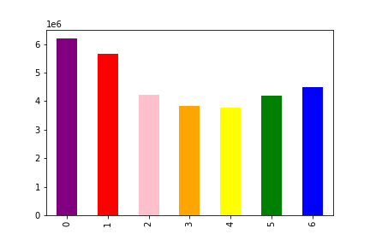
Key:
0 - Saturday, 1- Sunday, 2 - Monday, 3- Tuesday,
4 - Wednesday, 5 - Thursday, 6 - Friday
Question | Answer
Key Question 1
The sales team needs to know what the busiest days of the week and hours of the day are (i.e., the days and times with the most orders) in order to schedule ads at times when there are fewer orders. | Busiest Days Saturday and Sunday are the busiest days of the week as per the bar chart on the right, most of the orders are place on these two days.
 | 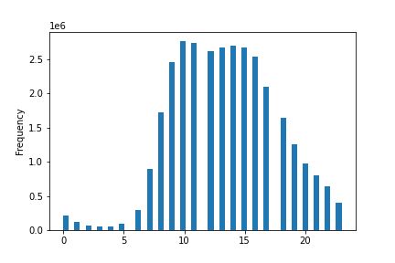 Busiest time of day Most of the orders are placed between 10 and 11 am, with busy times followed till 5 pm after which it decreases through the night.

Key Question 2
They also want to know whether there are particular times of the day when people spend the most money, as this might inform the type of products they advertise at these times. | Time of day when people spend the most money - As per the line chart on the right, we can see a higher level of expenditure early in the morning (3 am - 7am) indicating that the most expensive products are purchased at that hour. - At the peak hours of 10 - 11am, we see the lowest level of expenditure which indicates that there are higher number of orders with low value at that time. | 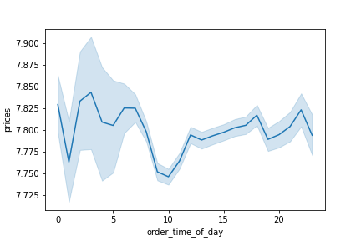

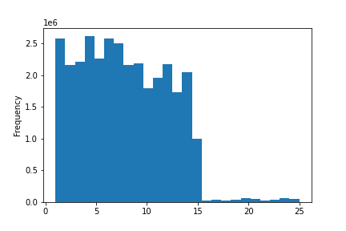
Price ranged groups for products have been defined as follows:
- Price > 15 : High-range products
- Price > 5 and price <= 15 : Mid-range product
- Price <= 5 : Low-range product
Key Question 3
Instacart has a lot of products with different price tags. Marketing and sales want to use simpler price range groupings to help direct their efforts. | Price tags of products Most products are priced between $1 and $15, while a few are higher priced at $15 to $25.
 | Price range groups Most of the products fall under the mid-range product category. | 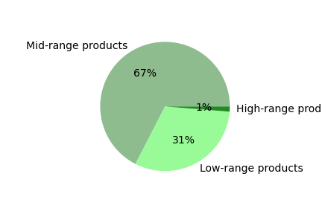

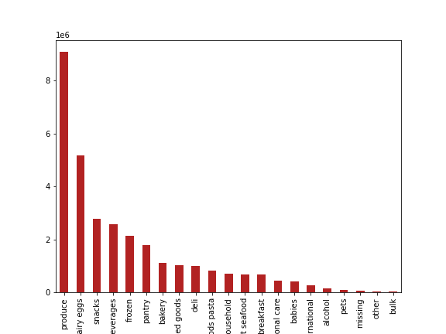
Key Question 4
Are there certain types of products that are more popular than others? The marketing and sales teams want to know which departments have the highest frequency of product orders. | Products per deparment As per the bar chart on the right, the following five departments contribute to the highest number of orders: - produce - dairy eggs - snacks - beverages - frozen

Key Question 5: The marketing and sales teams are particularly interested in the different types of customers in their system and how their ordering behaviors differ. For example:

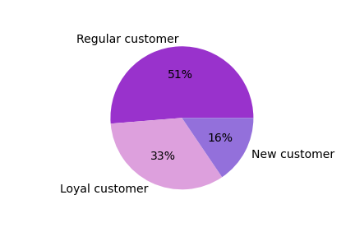
Brand loyalty groups have been defined as follows:
- Max order > 40 : Loyal customer
- Max order <= 40 & Max order > 10 : Regular customer
- Max order <= 10 : New customer
Key Question 5A.
What’s the distribution among users in regards to their brand loyalty (i.e., how often do they return to Instacart)? | Brand loyalty groups - Most of the customers are regular customers, meaning that their maximum order falls in the value between $40 and greater than $10. - Detailed breakup of customers: * Regular customer: 15,876,776 * Loyal customer: 10,284,093 * New customer: 4,803,695

Key Question 5B.
Are there differences in ordering habits based on a customer’s loyalty status? | Average spending Loyal customer: 7.773575 New customer: 7.801665 Regular customer: 7.798262 | Ordering habits tend to be more or less the same across all loyalty groups.

Key Question 5C. | Regions
Are there differences in ordering habits based on a customer’s region? Regions: Midwest Northeast South West | 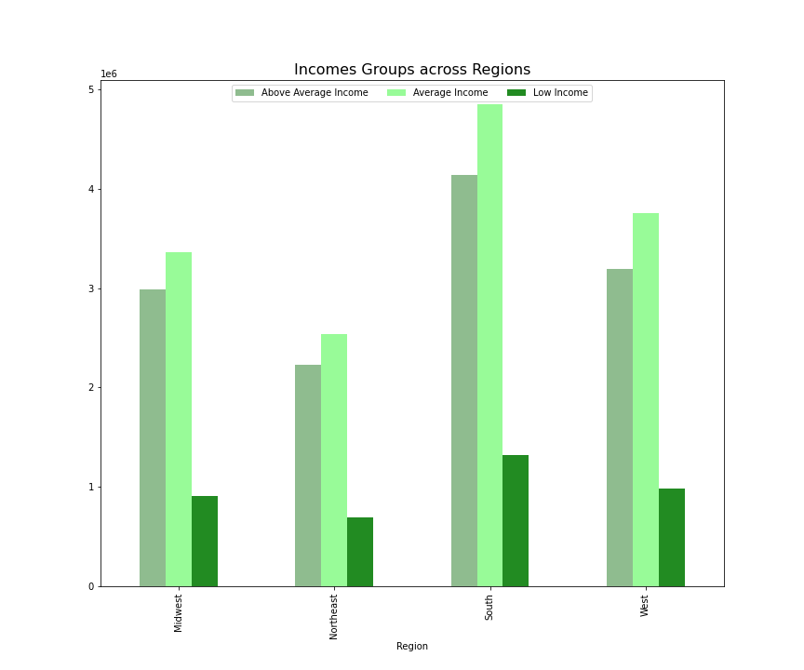 Income - Income has been categorized in the following groups: * Low Income (< 53000 USD) * Average Income (> 53000 but < 106000 USD) * Above Average Income ( > 106000 USD) - In the South, most people belonging to the average income group are higher in number.
 | 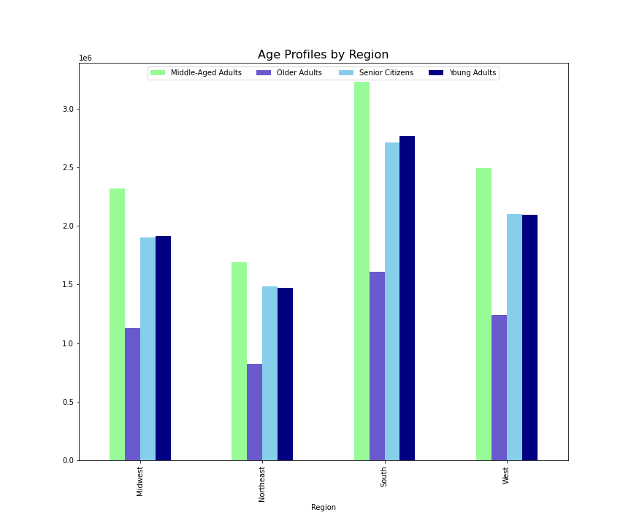 Age profile Age profile has been categorized as follows: * Young Adults (18 - 34) * Middle-Aged Adults (35 - 54) * Older Adults (55 - 64) * Senior Citizens (65+) - In the South, most people fall in the middle-aged adults.
 | 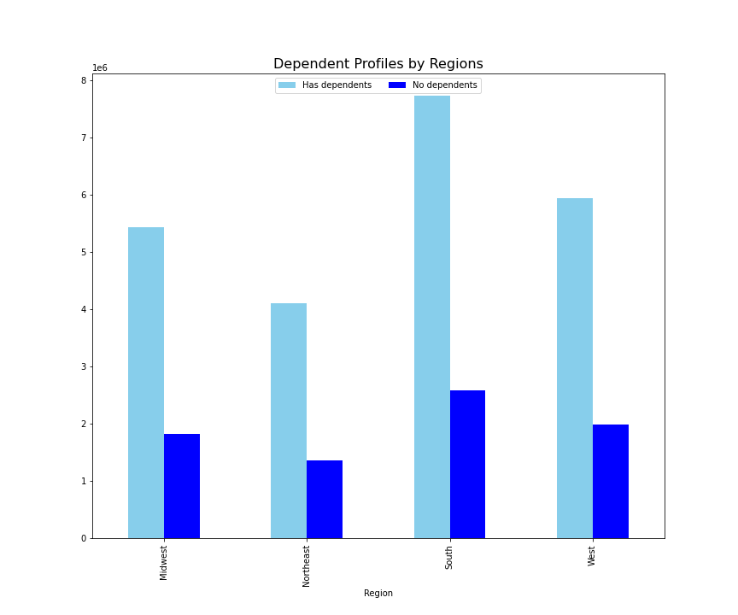 Dependents profile The dependents_profile has been categorized in two groups: * Has dependents (1 or more) * No dependents (0) - We can see that South region has the highest number of dependents.

Key Question 5D.
Is there a connection between age and family status in terms of ordering habits? | Connection between age and family status The line chart gives a very fluctuating picture indicating that there is no clear relationship between age and number of dependents. | 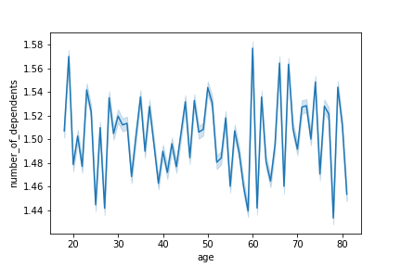

Key Question 6
What different classifications does the demographic information suggest? Age? Income? Certain types of goods? Family status? | Certain types of goods purchased: - Baby supplies - Purchased - Breakfast items | 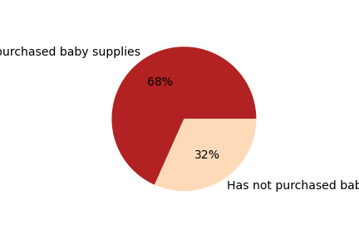
 |  | 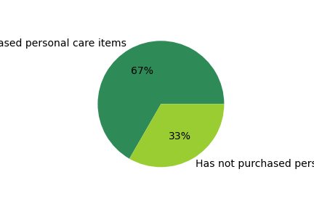
 |  | 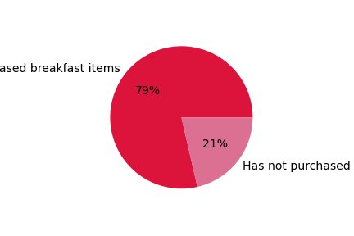
 | Age & Income * Age and income have a positive relationship. * Age bracket of 20 - 40 years have a maximum income level at 400,000 USD. * We can see that there are a higher number of customers from the age bracket of 40 - 50 years in the maximum income band of 500,000 - 600,000 USD. * The majority of customers are from the 300,000 income bracket as seen by the high density of dots in that area for all age groups. | 

Key Question 7
What differences can you find in ordering habits of different customer profiles? Consider the price of orders, the frequency of orders, the products customers are ordering, and anything else you can think of. | In the South region, majority of the customers belong to the average income group and have 1 or more number of dependents. Therefore, focus on ads and offers for specific profiles. For example, customers with a repeat purchase of baby items will be more interested in receiving ads for those items.

7. Recommendations
 |  |  | Title page

Recommendations

In this tab you should include any recommendations you would made to Instcart in terms of their marketing strategy based on the questions posed in the brief. Every key question has been covered in the Tasks of the Exercises - here you need to add an item - a visualisation or table/crosstable that is showing the answer in the data, acompanied by a comment from you. Please, list the questions below and add the answer underneath.

Question | Answer | Recommendations
Key Question 1 | The sales team needs to know what the busiest days of the week and hours of the day are (i.e., the days and times with the most orders) in order to schedule ads at times when there are fewer orders. | Place ads on days and time when orders are at lowest. Recommended days and time: Mondays, Tuesdays and Wednesdays between 6 pm - 7 am.
Key Question 2 | They also want to know whether there are particular times of the day when people spend the most money, as this might inform the type of products they advertise at these times. | Place ads or offers for expensive products from 3am - 7 am as that is the time when the most expensive items are purchased. Recommended actions: Give bundled offers via push notifications such as 'Buy 2, get 1 free' to boost sales. Offer seasonal sales (e.g. Halloween breakfast items, Black Friday sale etc.)
Key Question 3 | Instacart has a lot of products with different price tags. Marketing and sales want to use simpler price range groupings to help direct their efforts. | Most of the products are priced between $1 and $15, while a few are higher priced at $15 to $25. Recommended price buckets: * Price > 15 : High-range products * Price > 5 and price <= 15 : Mid-range product * Price <= 5 : Low-range product When thinking of revising the pricing strategy, Instacart can keep these price buckets in mind.
Key Question 4 | Are there certain types of products that are more popular than others? The marketing and sales teams want to know which departments have the highest frequency of product orders. | The following five departments contribute to the highest number of orders: - produce - dairy eggs - snacks - beverages - frozen Recommended action: Instacart can offer promotions on products from departments with low sales in order to boost their sales.
Key Question 5 | 5A. What’s the distribution among users in regards to their brand loyalty (i.e., how often do they return to Instacart)? | Most of the customers are regular customers, meaning that their maximum order falls in the value between $40 and greater than $10. Recommended action: Offer promotions and discounts to regular and new customers in order to push them for more sales with a focus on customer retention.
 | 5B. Are there differences in ordering habits based on a customer’s loyalty status? | Ordering habits tend to be more or less the same across all loyalty groups.
 | 5C.Are there differences in ordering habits based on a customer’s region? | In the South, most people belong to the average income group. Recommended action: Tailoring ads for customers belonging from a respective income group will help in increasing sales and customer base as well. For example, send ads for high-end products to customers belonging from a high income group.
 | 5D. Is there a connection between age and family status in terms of ordering habits? | We don't see a connection between age and number of dependents. Recommended action: Send notifications or offers to customers with dependents as the might be more open to using an online grocery store due to the convenience factor.
Key Question 6 | What different classifications does the demographic information suggest? Age? Income? Certain types of goods? Family status? | Age and income have a positive relationship so we can safely assume that spending power increases with age. Recommended action: Focus on ads for products based on the type of demographic information. For example, sending tailor made ads to different customer profiles will help in increasing sales. For example, a customer belonging from an average income group, with dependents and a repeat purchase of baby supplies will be more interested in receiving offers for baby products.
Key Question 7 | What differences can you find in ordering habits of different customer profiles? Consider the price of orders, the frequency of orders, the products customers are ordering, and anything else you can think of. | Recommended action: Focus on ads for customers with a purchase history from a respective department. This will help in increasing brand loyalty and increasing repeat purchases.

